Dashboard



$61,626.29
Revenue
5370
Tables Served
12234
Dishes Served
$11.48
Avg. Sales per order
2.28
Avg. Items per order
Side Salad
Most ordered Dish

Top 5 Dishes by Revenue
 | Total
Angus Third Pounder | 3995
Big Mac | 3731.77
Bulgogi Burger | 3842.08
Meatball Marinara | 4261.26
Quarter Pounder with Cheese | 3965.36
Revenue Distribution by Category
 | Total
Breakfast | 1286.19
Burger | 21639.01
Chicken | 12393.5
Fries | 2510.2
Pasta | 9223.05
Salad | 1147.41
Sandwich | 8241.95
Shakes | 1082.38
Sides | 2876.98
Wraps | 1225.62
Revenue of Category over Months
 | Breakfast | Burger | Chicken | Fries | Pasta | Salad | Sandwich | Shakes | Sides | Wraps
January | 471.51 | 7444.05 | 4135.35 | 862.38 | 3071.35 | 367.83 | 2699.51 | 388.7 | 1015.05 | 368.99
February | 396.18 | 6941.28 | 3960.28 | 757.14 | 2998.44 | 351.36 | 2589.67 | 313.95 | 899.54 | 470.71
March | 418.5 | 7253.68 | 4297.87 | 890.68 | 3153.26 | 428.22 | 2952.77 | 379.73 | 962.39 | 385.92
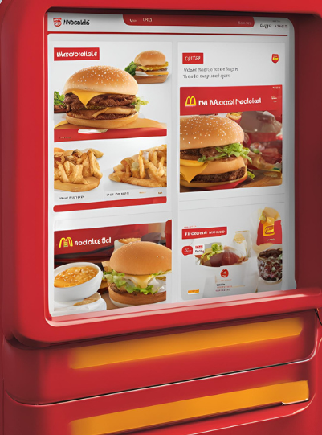

Z

Orders Distrubution by Hours
 | Total
10 | 5
11 | 630
12 | 1672
13 | 1575
14 | 968
15 | 751
16 | 1054
17 | 1370
18 | 1307
19 | 1085
20 | 889
21 | 608
22 | 309
23 | 11
Revenue Distribution by Days of a Week
 | Total
Monday | 10152.77
Tuesday | 9046.91
Wednesday | 7625.56
Thursday | 8450.05
Friday | 9200.46
Saturday | 8241.1
Sunday | 8909.44

